S1
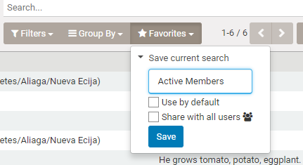
Common information search function

 | Membership , Accounts and Loans function has similar searching and display feature by framework.
 | Below example is in case of membership function.

 | a. Initial display

 |  |  |  | Only approved members are displayed.

 |  |  |  | View style is kanvan type(business card type)

 |  |  |  | If you want to see by list type view, click here

 | a. Search members by keyword

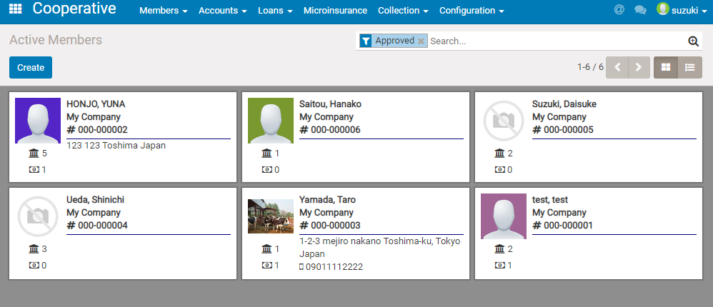

 |  |  | Input keyword here , then select where condition in appeared box (below).
 |  |  | In this case , we search members registered bareangay is "a".

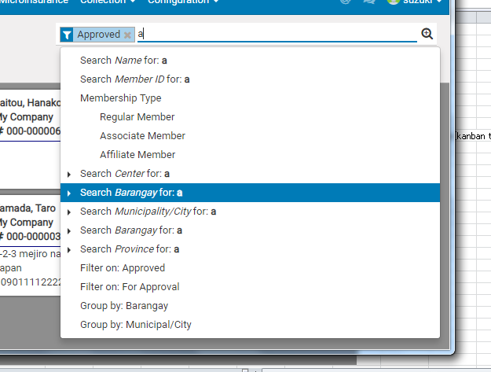

 | b. Filtering and Grouping

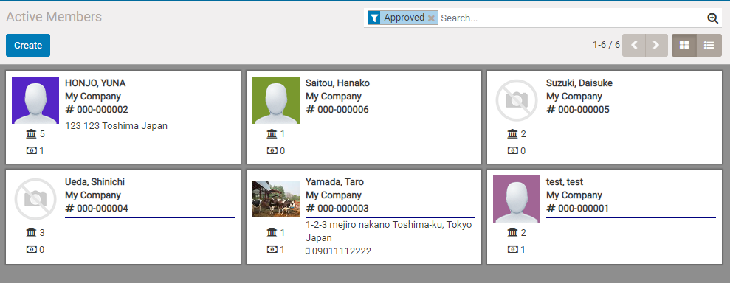

 | Click here , then [Filters][Group By] button will appear. | Then if click [Filters] , you can select [Approved] or [For approve].
 |  | You can also add custome filter by any field in membership info.
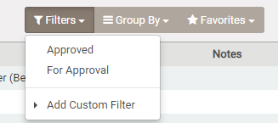

 |  | If click [Group by] , you can select following grouping type.
 |  | You can also add group by any field in membership info.
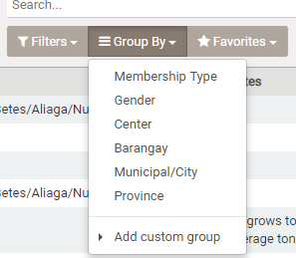

 |  | You can save the selected filtering and grouping condition by click Favorites

